Radio
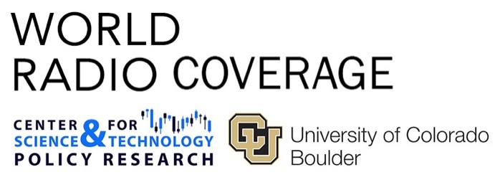 |  | UPDATED THROUGH NOVEMBER 2018
 |  | January | February | March | April | May
"climate change" OR "global warming" | American Public Media (US) | 0 | 0 | 0 | 0 | 0
 | BBC (UK) | 13 | 9 | 11 | 38 | 16
 | International Reports | 13 | 9 | 11 | 38 | 16
 | National Public Radio (US) | 7 | 6 | 6 | 17 | 2
 | National Public Radio (NPR) | 1 | 4 | 3 | 1 | 0
 | NPR All Things Considered | 0 | 0 | 1 | 2 | 0
 | NPR Ask Me Another | 0 | 0 | 0 | 0 | 0
 | NPR Code Switch (North America) | 0 | 0 | 0 | 0 | 0
 | NPR Fresh Air | 0 | 0 | 0 | 0 | 0
...

